BOM
Item | Part Number | Thumbnail | BOM Structure | Unit QTY | QTY | Stock Number | Description | REV
1 | SP10V1 Estructura Freno | 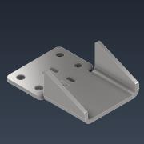 | Normal | 1 | 1
2 | SP9V1 Columna Freno | 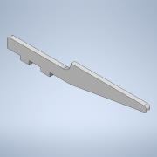 | Normal | 1 | 2
3 | SP8V1 Conductor Hexagonal Freno | 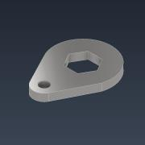 | Normal | 1 | 1
4 | SP6V1 Vastago Freno | 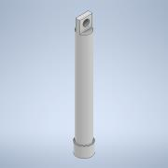 | Normal | 1 | 1
5 | SP5V1 Camisa Freno | 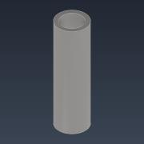 | Normal | 1 | 1
6 | DIN 912 - M5 x 16 |  | Purchased | 1 | 2 |  | Cylinder Head Cap Screw
7 | SP7V1 Viela Freno | 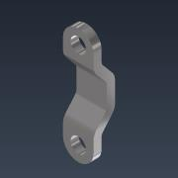 | Normal | 1 | 2
8 | DIN 555-5 - M5 | 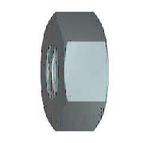 | Purchased | 1 | 2 |  | Hex Nut

